Example
CIVIL SERVICE EMPLOYEES - Public Safety |  |  |  |  |  |  |  |  | 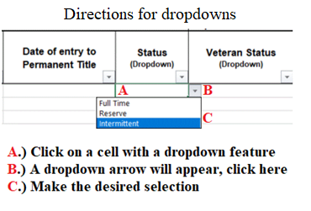 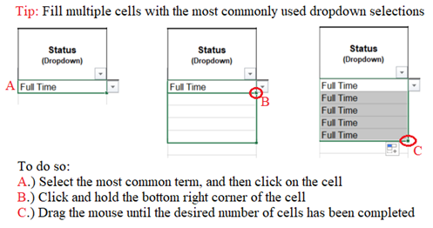

As of January 2, 2021 |  |  |  |  | City/Town: | Bedrock
 |  |  |  |  | Department/Division: | Police
Name of Employee (Last, First) | Last 4 of Social Security | Civil Service Permanent Title (Dropdown) | Date of entry to Permanent Title | Status (Dropdown) | Veteran Status (Dropdown) | Ethnicity (Dropdown) | Gender (Dropdown) | Civil Service Seniority Date (Original Appointment)
Kahlo, Samuel | 3075 | Chief | 2005-09-18 | Full Time | Veteran | Native American | Male | 1997-12-31
Anatasui, Elizabeth | 4456 | Police Lieutenant | 2019-11-12 | Full Time | Non Veteran | Black or African American | Female | 2002-03-17
Leonardo, Beth | 0234 | Police Officer | 2019-11-12 | Full Time | Disabled Veteran | White or Caucsian | Female | 1998-06-04
Fan, Richard | 8899 | Police Officer | 2010-02-15 | Full Time | Non Veteran | Asian or Pacific Islander | Male | 1988-06-24
Younger, Steve | 0056 | Police Officer | 2015-04-05 | Reserve | Non Veteran | White or Caucsian | Male | 2015-04-05

CIVIL SERVICE EMPLOYEES - Public Safety

As of January 2, 2021 |  |  |  |  | City/Town: | Bedrock
 |  |  |  |  | Department/Division: | Fire
Name of Employee (Last, First) | Last 4 of Social Security | Civil Service Permanent Title (Dropdown) | Date of entry to Permanent Title | Status (Dropdown) | Veteran Status (Dropdown) | Ethnicity (Dropdown) | Gender (Dropdown) | Civil Service Seniority Date (Original Appointment)
Dubois, William | 0004 | Fire Chief | 2016-02-29 | Full Time | Veteran | Black or African American | Male | 1996-02-29
Picasso, Michael | 9999 | Deputy Fire Chief | 2015-04-05 | Full Time | Non Veteran | Hispanic or Latino | Male | 2015-04-05
Zhao, Charles | 6766 | Firefighter | 2015-04-05 | Full Time | Disabled Veteran | Asian or Pacific Islander | Male | 2015-04-05
Holbein, Micehlle | 2444 | Firefighter | 2019-06-17 | Reserve | Non Veteran | Native American | Female | 2019-06-17
Hiroshi, Benjamin | 1101 | Firefighter | 2019-06-17 | Call | Non Veteran | Asian or Pacific Islander | Male | 2019-06-17

CIVIL SERVICE EMPLOYEES - Official/Labor Service
As of January 2, 2021 |  |  |  | City/Town: |  | Bedrock
 |  |  |  | Department/Division: |  | Public Works
Name of Employee (Last, First) | Last 4 Social Security Number | CurrentTitle | Appointment Date to Current Position | Job Term (Dropdown) | Status (Dropdown) | Ethnicity (Dropdown) | Gender (Dropdown) | Seniority Date (Original Appointment)
Flintstone, Fred | 0001 | Custodian | 2000-04-05 | Temporary | Full Time | White or Caucasian | Male | 1998-04-05
Zorro. Astaire | 0030 | Mechanic | 2020-07-21 | Permanent | Part Time | Hispanic or Latino | Male | 2010-01-21
Oyl, Olive | 5444 | Plow Operator | 2008-03-04 | Provisional | Seasonal | White or Caucasian | Female | 2004-01-04
Sky, Luke | 9021 | Plow Operator | 2018-02-22 | Reserve | Seasonal | Black or African American | Male | 2018-02-22
Newman, Norman | 6677 | Clerk | 2016-05-15 | Reserve | Full Time | Native American | Male | 2016-05-15

